Sheet1
 | Marlin Weight Calculator
Measure the length from the fork of the tail to the tip of the bottom Jaw
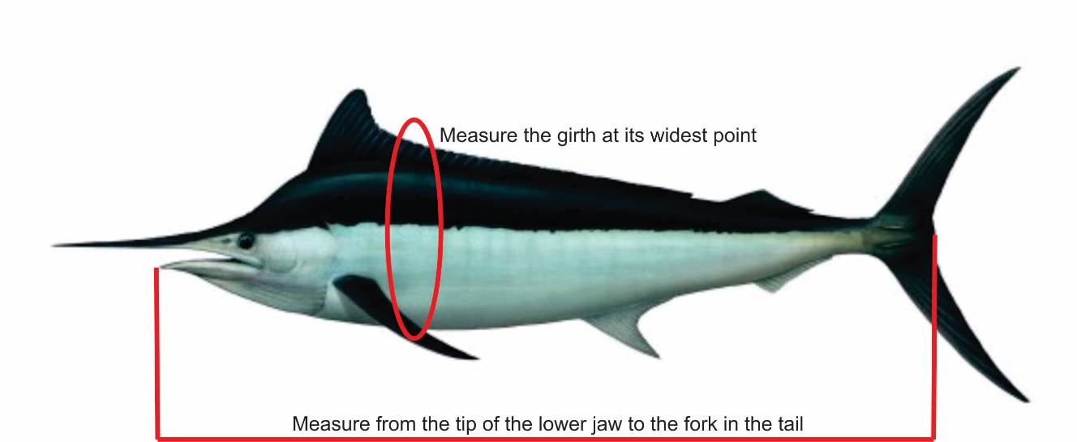 |  | Centimeters
 | Enter Girth Measurement | 80 | 31.496062992 | Centimeters
 | Enter Length measurement | 140 | 55.118110236 | Centimeters

 | The Weight of your Black Marlin | 31.001493275 |  | Kilograms

